Chapter E Compression
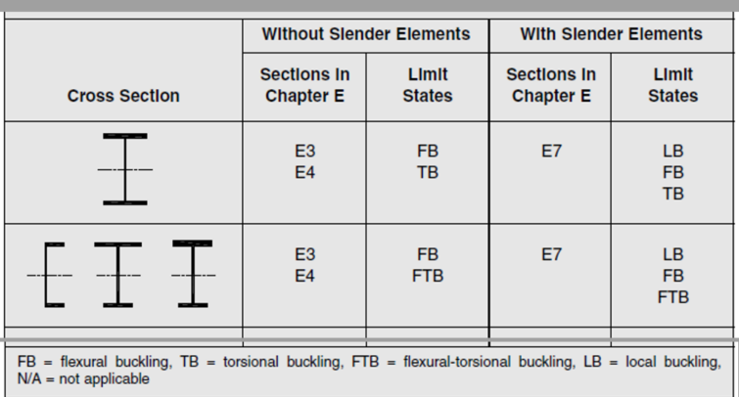
Design of Member for Compression
Compression Design Strength Based on Chapter E in AISC 360-16(LRFD)
Units : mm, N, (Mpa)
Effective Length of Compression Member
$$k_{x}L_{x}$$
 | = | 9,000 | mm | kx(1.0~1.5) x the distance of member connected to Flange of H-shape column
$$k_{y}L_{y}$$
 | = | 3,000 | mm | ky(1.0) x the distance of member connected to Web of H-shape column
$$k_{z}L_{z}$$
 | = | 9,000 | mm | the distance of member connected to the column for avoiding the Torsinal Buckling

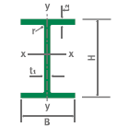
Section Properties of H Shapes
Shape |  | 1 | Input "0" or "1" for Rolled or Built up respectively
H |  | 900
B |  | 25
t1 |  | 25 | for web thickness
t2 |  | 28 | for flange thickness
r |  | 0 | in case of Built up, r = 0
Fy |  | 345 | for steel yield stregth

Ag |  | 22,500
Ix |  | 1518750000 | rx |  | 259.8 |  | Sx |  | 3375000 |  | Zx |  | 5062500
Iy |  | 1171875 | ry |  | 7.2 |  | Sy |  | - |  | Zy |  | -
J |  | 4761700 | Cw |  | 222768750000 |  | kc |  | 0.7 |  | h |  | 844
G |  | 77,200 | E |  | 200,000

Judgement of nonslender/slender element
Part |  | Width to Thick Ratio (λ) |  | Limiting Width to Thick Ratio (λr) |  |  | Thick Slender Element Judgement |  |  | Table B4.1a(AISC) |  |  | Section
Web |  | 33.8 |  | 35.9 |  |  | nonslender |  |  | Case 5 |  |  | E3,E4
Flange |  | 0.4 |  | 12.8 |  |  | nonslender |  |  | Case 2 |  |  | E3,E4
Limiting Width to Thickness Ratio (λr) is 0.56, 0.64, 1.49 x (E/Fy) square root for Flange of rolled, Flange of built up or web respectively
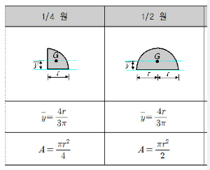
$\frac{kL}{r}=max\{\frac{k_{x}L_{x}}{r_{x}}, \frac{k_{y}L_{y}}{r_{y}}\}$
$$4.71\sqrt{\frac{E}{F_{y}}}$$
Effective Length Slenderness Ratio
 |  |  | = |  | 415.7
 |  |  | = |  | 113.40347361
A) Flexural Buckling of Members (Section E3)
$$F_{e}=\frac{π^{2} E}{{\left[\frac{kL}{r}\right]}^{2}}$$
$$F_{cr}={\{0.658}^{\frac{F_{y}}{F_{e}}}\} F_{y}$$
 |  |  | = | 11 |  | Mpa | for Flexural Buckling without slender elements |  |  |  |  |  |  | (E3-4)
 |  |  | = | 0 |  | Mpa | in case of kL/r ≤ 4.71 (E/Fy) square root
$$F_{cr}= 0.877 F_{e}$$
 |  |  | = | 10 |  | Mpa | in case of kL/r > 4.71 (E/Fy) square root
$$P_{n1}= F_{cr}A_{g}$$
 |  |  | = | 225,407 |  | N

$$F_{e}=\left[\frac{π^{2} EC_{w} }{{\left(k_{z}L_{z}\right)}^{2}}+GJ\right]\frac{1}{I_{x}+I_{y}}$$
$$F_{cr}={\{0.658}^{\frac{F_{y}}{F_{e}}}\} F_{y}$$
B) Torsional and Flexural-Torsional Buckling of Members (Section E4)
 |  |  | = | 245 |  | Mpa | for Torsional Buckling without slender elements |  |  |  |  |  |  | (E4-2)
 |  |  | = | 192 |  | Mpa | in case of kL/r ≤ 4.71 (E/Fy) square root
$$F_{cr}= 0.877 F_{e}$$
 |  |  | = | 215 |  | Mpa | in case of kL/r > 4.71 (E/Fy) square root
$$P_{n2}= F_{cr}A_{g}$$
 |  |  | = | 4,842,916 |  | N

$$P_{n}=Smaller of P_{n1} or P_{n2}$$
$${φ P}_{n}$$
Compressive Design Strength - Min (E3 or E4)
 |  |  | = | 225,407 |  | N | for norminal compressive strength
 |  |  | = | 202,867 |  | N | for design compressive strength, φ=0.9

$$F_{cr}= \frac{P_{n}}{A_{g}}$$
C) Local Buckling with Flexural Buckling, Torsional and Flexural Buckling for Slender Elember (E7)
 |  |  | = | 10.0 |  | Mpa | from critical stress from E3 or E4
a) Effective Web Length
c1 |  |  | = |  | 0.18 |  | from Table E7.1 for Case(a)
c2 |  |  | = |  | 1.31 |  | from Table E7.1 for Case(a)
h |  |  | = | 844.0 |  | mm | Actual web length, H-2 x t2
λ𝑟 |  |  | = |  | 35.9 |  | for Limiting Width to Thickness Ratio ofWeb from Table
$$λ_{r} \sqrt{\frac{F_{y}}{F_{cr}}}$$
λ |  |  | = |  | 33.8 |  | for Width to Thickness Ratio of Web from Table
 |  |  | = | 210.5 |  |  | for web
$$F_{el}={(c_{2}\frac{λ_{r}}{λ})}^{2} F_{y}$$
$$λ_{r} \sqrt{\frac{F_{y}}{F_{cr}}}$$
 |  |  | = | 668.6 |  |  | for web Local Buckling with slender elements
RF1 |  |  | = |  | 1.0 |  | When λ ≤
$$RF2=\left\{1−c_{1}\sqrt{\frac{F_{el}}{F_{cr}}}\right\}\sqrt{\frac{F_{el}}{F_{cr}}}$$
$$λ_{r} \sqrt{\frac{F_{y}}{F_{cr}}}$$
 |  |  | = | -3.84 |  |  | When λ >
$$λ_{r} \sqrt{\frac{F_{y}}{F_{cr}}} =$$
RF | = | Select(RF1,RF2) | = |  | 1.00 |  | Due to λ = |  | 33.8 | < |  |  | 211
$$h_{e}=h x RF$$
 |  |  | = |  | 844.00 | mm | Effective Web Length
b) Effective Flange Width
c1 |  |  | = |  | 0.22 |  | from Table E7.1 for Case(c)
c2 |  |  | = |  | 1.49 |  | from Table E7.1 for Case(c)
B |  |  | = | 25.0 |  | mm | Actual Flange Width
λ𝑟 |  |  | = |  | 12.8 |  | for Limiting Width to Thickness Ratio of Flange from Table
$$λ_{r} \sqrt{\frac{F_{y}}{F_{cr}}}$$
λ |  |  | = |  | 0.4 |  | for Width to Thickness Ratio of Flange from Table
 |  |  | = | 75.0 |  |  | for Flange
$$F_{el}={(c_{2}\frac{λ_{r}}{λ})}^{2} F_{y}$$
$$λ_{r} \sqrt{\frac{F_{y}}{F_{cr}}}$$
 |  |  | = | 628228.0 |  |  | for Flange Local Buckling with slender elements
$$λ_{r} \sqrt{\frac{F_{y}}{F_{cr}}}$$
RF1 |  |  | = |  | 1.0 |  | When λ ≤
$$RF2=\left\{1−c_{1}\sqrt{\frac{F_{el}}{F_{cr}}}\right\}\sqrt{\frac{F_{el}}{F_{cr}}}$$
$$λ_{r} \sqrt{\frac{F_{y}}{F_{cr}}} =$$
 |  |  | = | -13545.62 |  |  | When λ >
$$B_{e}=B ˑ RF$$
RF | = | Select(RF1,RF2) | = |  | 1.00 |  | Due to λ = |  | 0.4 | < |  |  | 75.0
 |  |  | = | 25.00 |  | mm | Effective Flange Width
c) Effective Area
$A_{e}=$ $h_{e}· t1+ {2·B}_{e}·t2$
 |  |  | = | 22500 |  | mm2 | Effective Area
$A_{e}/$ $A_{g}$
 |  |  | = |  | 1.00 |  | Ratio of effective area to gross area
Compressive Design Strength (E7)
$$P_{n}=F_{cr} A_{e}$$
 |  |  | = | 225,407 |  | N | for norminal compressive strength |  |  |  |  |  |  | (E7-1)
$${φ P}_{n}$$
 |  |  | = | 202,867 |  | N | for design compressive strength, φ=0.9
D) Summary
AISC 360 Section |  | Behavior |  | Fcr(stress) Mpa |  | Effective Area Ratio, Ae/Ag |  | Design Comp. Strength 0.9xFcrxAe/AgxAg (N) |  |  |  | Remark
E3 |  | Flexural Buckling |  | 10 |  | 1.00 |  | 202,867
E4 |  | Torsional Buckling |  | 215 |  | 1.00 |  | 4,358,624
E7 |  | Local Buckling |  | 10 |  | 1.00 |  | 202,867 |  |  |  | Govern

세장비(응력)
$$4.71\sqrt{\frac{E}{F_{y}}}$$
Fy | 345 | Mpa
E | 200000 | Mpa
 | 113

$$Slender Ratio(λ)=\frac{KL}{r}$$
$$F_{e}=\frac{π^{2} E}{λ^{2}}$$
$F_{cr}$ = ${\{0.658}^{\frac{F_{y}}{F_{e}}} \} F_{y}$
$$F_{cr}=0.877 F_{e}$$
$$F_{cr}$$
1 | 1,971,920 | 345 | 1,729,374 | 345
5 | 78,877 | 344 | 69,175 | 344
10 | 19,719 | 342 | 17,294 | 342
15 | 8,764 | 339 | 7,686 | 339
20 | 4,930 | 335 | 4,323 | 335
25 | 3,155 | 330 | 2,767 | 330
30 | 2,191 | 323 | 1,922 | 323
35 | 1,610 | 315 | 1,412 | 315
40 | 1,232 | 307 | 1,081 | 307
45 | 974 | 297 | 854 | 297
50 | 789 | 287 | 692 | 287
55 | 652 | 276 | 572 | 276
60 | 548 | 265 | 480 | 265
65 | 467 | 253 | 409 | 253
70 | 402 | 241 | 353 | 241
75 | 351 | 229 | 307 | 229
80 | 308 | 216 | 270 | 216
85 | 273 | 203 | 239 | 203
90 | 243 | 191 | 214 | 191
95 | 218 | 178 | 192 | 178
100 | 197 | 166 | 173 | 166
105 | 179 | 154 | 157 | 154
110 | 163 | 142 | 143 | 142
115 | 149 | 131 | 131 | 131
120 | 137 | 120 | 120 | 120
125 | 126 | 110 | 111 | 111
130 | 117 | 100 | 102 | 102
135 | 108 | 91 | 95 | 95
140 | 101 | 82 | 88 | 88
145 | 94 | 74 | 82 | 82
150 | 88 | 66 | 77 | 77
155 | 82 | 59 | 72 | 72
160 | 77 | 53 | 68 | 68
165 | 72 | 47 | 64 | 64
170 | 68 | 42 | 60 | 60
175 | 64 | 37 | 56 | 56
180 | 61 | 32 | 53 | 53
185 | 58 | 28 | 51 | 51
190 | 55 | 25 | 48 | 48
195 | 52 | 21 | 45 | 45
200 | 49 | 18 | 43 | 43

Hinged Required Strength
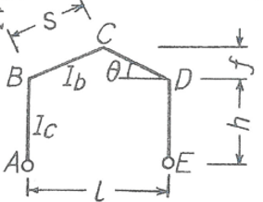
Required Strength of Rafter and Column
Information of Main Frame
h | = | 6 |  | m | Building Height
L | = | 20 |  | m | span
f | = | 1 |  | m | Ridge Height
s | = | 10.1 |  | m | roof beam length of one side
G | = | 8 |  | m | Column Grid Distance
θ | = | 5.83 |  | ˚ | Roof Slope Degree |  |  |  |  |  | Main Frame

Section Properties of H Shapes
Member |  | Column |  | Beam
H |  | 400 |  | 400
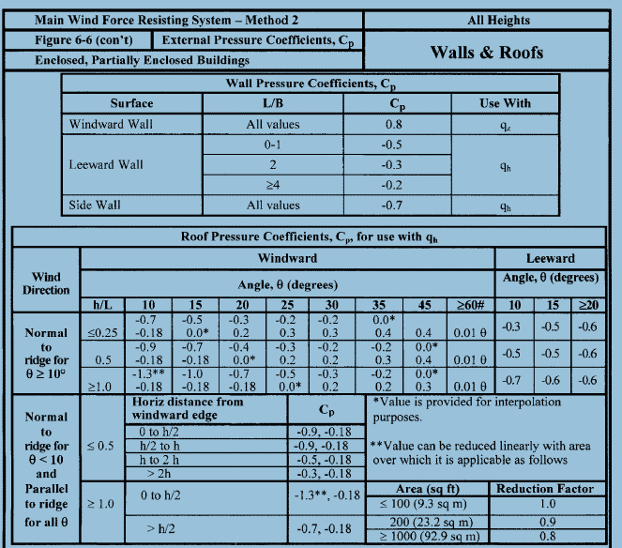
B |  | 200 |  | 200
t1 |  | 8 |  | 8 |  | for web thickness
t2 |  | 12 |  | 12 |  | for flange thickness
r |  | 0 |  | 0 |  | in case of Built up, r = 0 |  |  |  |  | Section |  |  |  | Velocity Pressure Exposure Coefficients, Kh and Kz
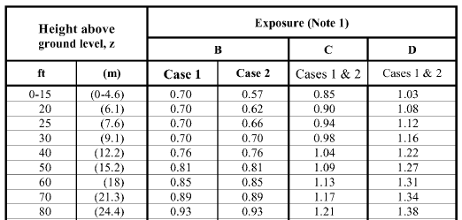
Ix |  | 216148650.66666663 |  | 216148650.66666663 |  | inertial moment

Dead and Live Load
Roof Dead |  | 0.4 |  | kN/m2 |  | 단, Frame Self-weight & Wall Cladding : Ignored
Roof Live |  | 0.6 |  | kN/m2

Wind Load
Site Exposure |  | D
Basice Wind Speed |  | 51.6 |  | m/sec | (10m, 3 gust, 50 return period, exposure C)
Kz |  | 1.08 |  |  | (Velocity Pressure Exposure Coefficients)
Wind Speed at Site |  | 54 |  | m/sec | (Roof Eave Height, Site Exposure)

Location |  | Direction |  | Gust Factor G |  | Wind Pressure q (kN/m2) |  | Cp |  | Wind Load (kN/m2) |  | Remark
Wall |  | Windward |  | 0.85 |  | 1.50 |  | 0.8 |  | 1.0
 |  | Leeward |  |  |  |  |  | -0.5 |  | -0.6
Roof |  | Windward |  |  |  |  |  | -0.7 |  | -0.9
 |  | Leeward |  |  |  |  |  | -0.7 |  | -0.9

$$w_{D}=Dead x G$$
$$w_{L}=Live x G$$
 |  |  |  |  |  | = | 3.2 |  | kN/m
 |  |  |  |  |  | = | 4.8 |  | kN/m
$k=\frac{I_{b}}{I_{c}}$ $\frac{h}{s}$
 |  |  |  |  |  | = | 0.6

$$α=h^{2} \left(k+3\right)+f(3h+f)$$
$N={(kh+f)}^{2}+4k(h^{2}+hf+ f^{2}$)
 |  |  |  |  |  | = | 150
 |  |  |  |  |  | = |  | 126

$$w_{D} L/2$$
$$\frac{w_{D}L^{2} }{32}\frac{8h+5f}{α}$$
Required Strength for Dead Load
Va = Ve = |  |  |  |  |  | = | 32 |  | kN |  |  |  |  | (III-8-1)
H = Ha = |  |  |  |  |  | = | 14 |  | kN
He = |  |  |  |  |  |  |  | -14 | kN
$M_{b}= M_{d}$ = -H x h
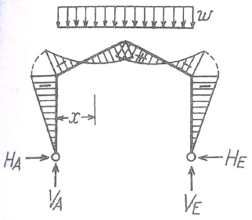
 |  |  |  |  |  | = | -85.6 |  | kN.m
$$M_{c}= \frac{w_{D}l_{2}}{8} −H(h+f)$$
 |  |  |  |  |  | = | 60.0 |  | kN.m
$$M_{x}= V_{A} x − H_{a} \left(h+ \frac{2fx}{L} \right)− \frac{w_{D}x^{2}}{2}$$
 |  |  |  |  |  | = | -85.6 |  | kN.m | for x | = | 0 | m

$$w_{L} L/2$$
$$\frac{w_{D}L^{2} }{32}\frac{8h+5f}{α}$$
Required Strength for Live Load
Va = Ve = |  |  |  |  |  | = | 48 |  | kN |  |  |  |  | (III-8-1)
H = Ha = |  |  |  |  |  | = | 21 |  | kN
He = |  |  |  |  |  | = |  | -21
$M_{b}= M_{d}$ = -H x h
 |  |  |  |  |  | = | -128.3 |  | kN.m
$$M_{c}= \frac{w_{L}L^{2}}{8} −H(h+f)$$
 |  |  |  |  |  | = | 89.9 |  | kN.m
$$M_{x}= V_{A} x − H_{a} \left(h+ \frac{2fx}{L} \right)−\frac{w_{L}{ x}^{2}}{2}$$
 |  |  |  |  |  | = | 89.9 |  | kN.m | for x | = | 10 | m
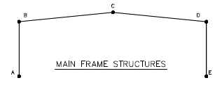
w1 | = | 8.2 | kN/m | Wall Windward
w2v | = | 7.0951197695 | kN/m | Roof Windward, Vertical |  |  |  |  |  |  |  |  |  |  | for Dead and Live Load
w3v | = | 7.0951197695 | kN/m | Roof Leeward, Vertical
w2h | = | 0.72406662446 | kN/m | Roof Windward, Horizontal
w3h | = | 0.72406662446 | kN/m | Roof Leeward, Horizontal
w4 | = | 5.1 | kN/m | Wall Leeward

- $\frac{h^{2}}{2l}$($w_{1}+ w_{4)}$
Required Strength for Wind Load
Va14 = |  |  |  |  |  |  | -12.02 |  |  |  |  |  |  | (III-8-6)

Ve14= -Va14 |  |  |  |  |  |  | 12.02

$−w_{1}h+ \frac{5hk+6(2h+f)}{16α}$ $h^{2}(w_{1}−w_{4})$
Ha14 = |  |  |  |  |  |  | -44.65
$−w_{4}h− \frac{5hk+6(2h+f)}{16α}$ $h^{2}(w_{1}−w_{4})$
He14 = |  |  |  |  |  |  | -35.15

$\frac{f(2h+f)}{2l}$($w_{2h}−w_{3h})$
Va23h = |  |  |  |  |  |  | - |  |  |  |  |  |  | (III-8-7)

Ve23h = -Va23h |  |  |  |  |  |  | -
$w_{2h}f −\frac{8h^{2}\left(k+3\right)+5f\left(4h+f\right)}{16α}$f ($w_{2h}+w_{3h})$
Ha23h = |  |  |  |  |  |  | 0.02
${−w}_{3h}f+\frac{8h^{2}\left(k+3\right)+5f(4h+f)}{16α}$ f ($w_{2h}+w_{3h})$
He23h = |  |  |  |  |  |  | -0.02
$$\frac{3w_{2v}l}{8}$$
Va2v = |  |  |  |  |  |  | -53.21 |  |  |  |  |  |  | (III-8-2)
$$\frac{w_{2v}l}{8}$$
Ve2v = |  |  |  |  |  |  | -17.74
$$\frac{w_{2v}l^{2}}{64} \frac{\left(8h+5f\right)}{α}$$
Ha2v = |  |  |  |  |  |  | -15.74

He2v = |  |  |  |  |  |  | 15.74
$$\frac{3w_{3v}l}{8}$$
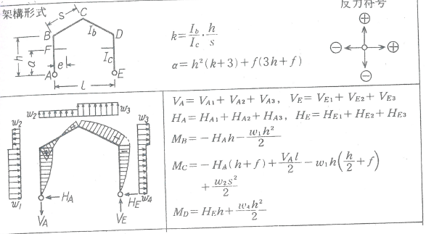
Ve3v = |  |  |  |  |  |  | -53.21 |  |  |  |  |  |  | (III-8-2)
$$\frac{w_{3v}l}{8}$$
Va3v = |  |  |  |  |  |  | -17.74
$$\frac{w_{3v}l^{2}}{64} \frac{\left(8h+5f\right)}{α}$$
He3v = |  |  |  |  |  |  | 15.74

Ha3v = |  |  |  |  |  |  | -15.74
Va = Va14 + Va23h + Va2v + Va3v |  |  |  |  | = |  | -82.97
Ve = Ve14 + Ve23h + Ve2v + Ve3v |  |  |  |  | = |  | -58.93
Ha = Ha14 + Ha23h + Ha2v + Ha3v |  |  |  |  | = |  | -76.12
He = He14 + He23h + He2v + He3v |  |  |  |  | = |  | -3.68
$$M_{b}=− H_{a}h −\frac{w_{1}h^{2}}{2}$$
 |  |  |  |  | = |  | 310.69 |  | kN.m
$${ M}_{c}=−H_{a}\left(h+f\right)+\frac{V_{a}l}{2} −w_{1}h\left(\frac{h}{2}+f\right)+ \frac{w_{2}s^{2}}{2}$$
 |  |  |  |  |  | = | -133.03 |  | kN.m
$M_{d}$ = $H_{e} h+ \frac{w_{4} h^{2}}{2}$
 |  |  |  |  | = |  | 70.29 |  | kN.m |  |  |  |  |  |  | for Wind Load

Required Strength of Rafter and Column |  |  |  |  |  |  |  |  |  |  |  |  | Unit-kN. M
Load Case | A |  |  |  | B |  | C |  | D |  | E
 | P |  | M |  | M |  | M |  | M |  | P |  | M
DEAD(D) | -32 |  | - |  | -86 |  | 60 |  | -86 |  | -32 |  | -
LIVE(L) | -48 |  | - |  | -128 |  | 90 |  | -128 |  | -48 |  | -
WIND(W) | 83 |  | - |  | 311 |  | -133 |  | 70 |  | 59 |  | -
1.2D+1.6L | -115 |  | - |  | -308 |  | 216 |  | -308 |  | -115 |  | -
1.2D+1.6L+0.8W | -49 |  | - |  | -59 |  | 109 |  | -252 |  | -68 |  | -
0.9D+1.6W | 104 |  | - |  | 420 |  | -159 |  | 35 |  | 65 |  | -

